map_of_container_BV_FS2
Container overview
Bay numbering
205 | 204 | 203 | 202 | 201 | open
 |  |  |  |  |  | door
206 | 207 | 208 | 209 | 210 | germinator

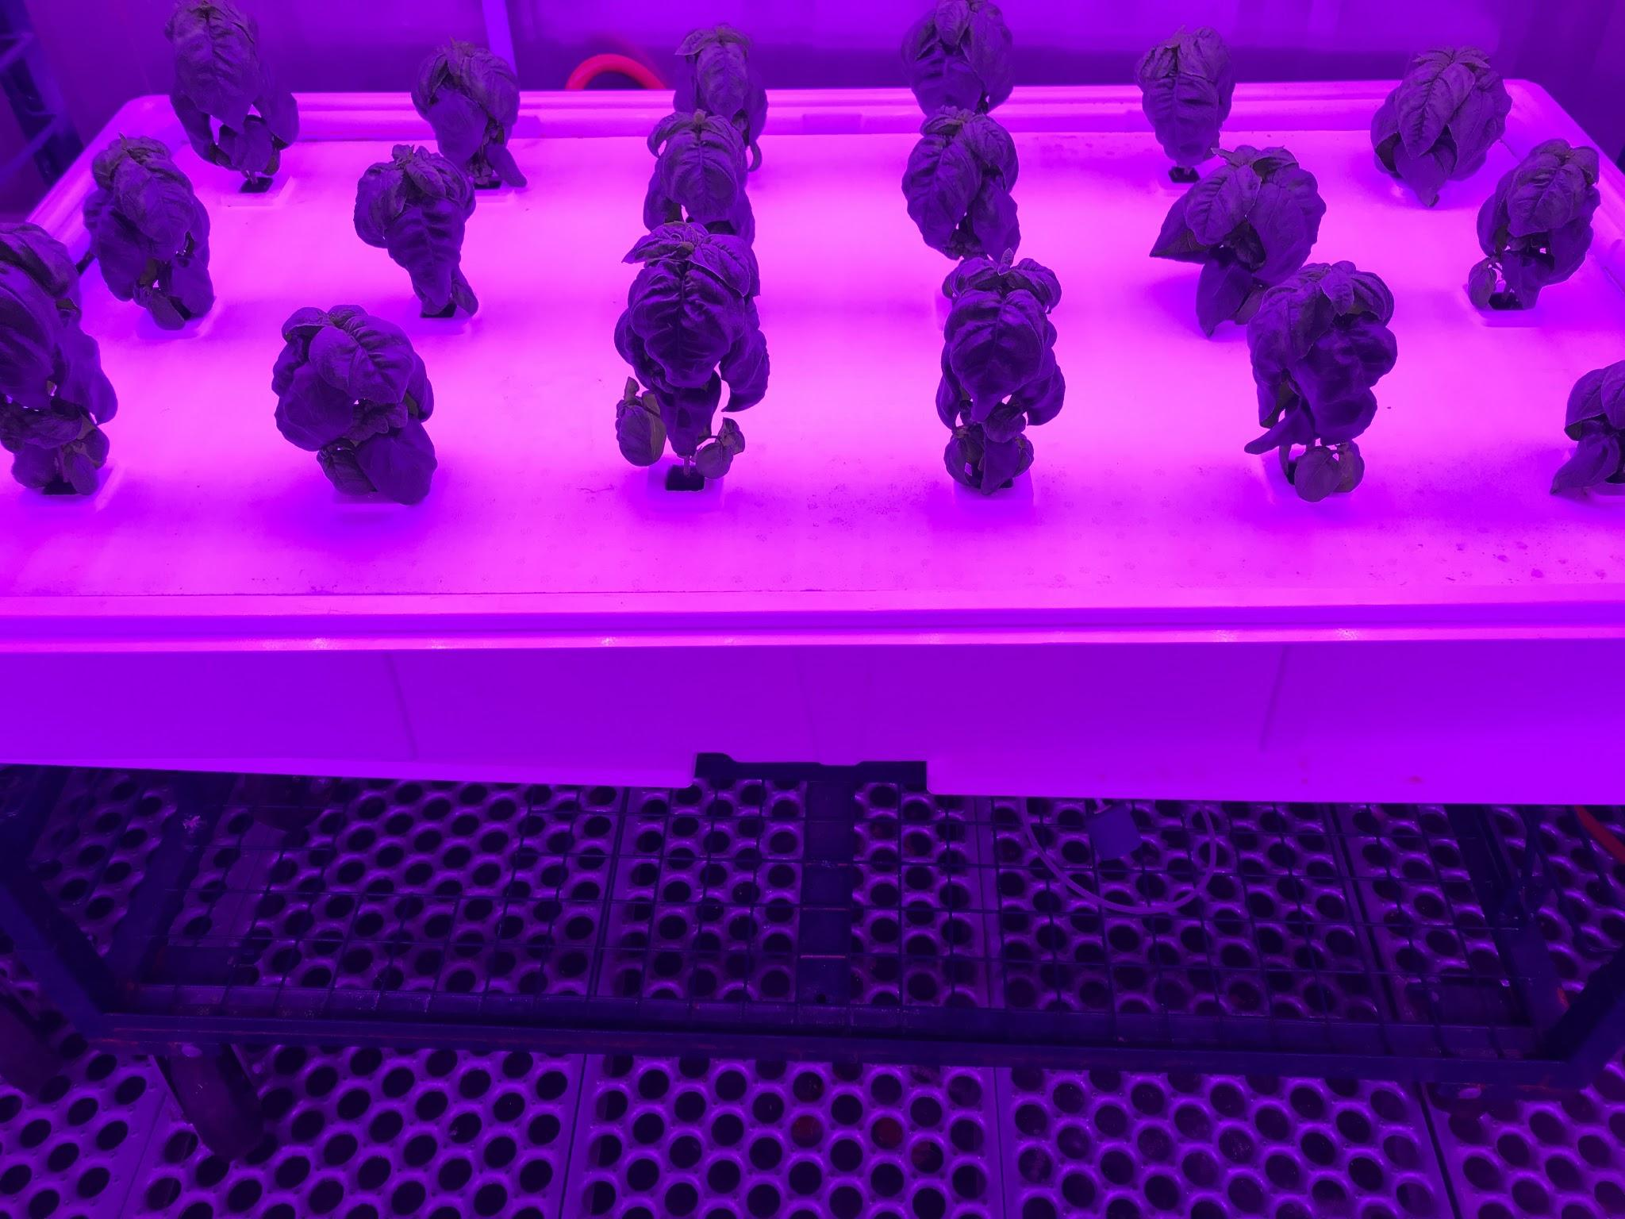
Tray overview
Plant numbering |  |  |  |  |  |  | (back of tray... towards container wall)
(back of tray... towards container wall)
13 | 14 | 15 | 16 | 17 | 18
7 | 8 | 9 | 10 | 11 | 12
1 | 2 | 3 | 4 | 5 | 6
(front of tray... towards container aisle)

